Tabelle1
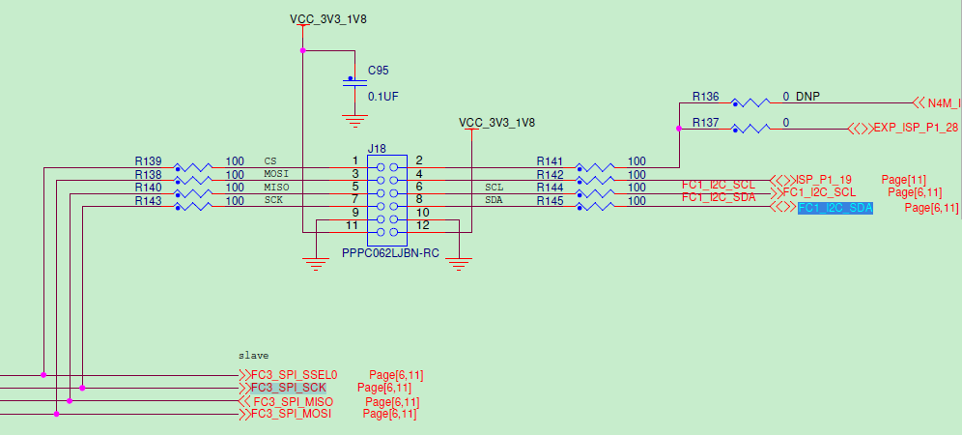
PMODKYPD
COL4 | COL3 | COL2 | COL1 | GND | VCC
1 | 2 | 3 | 4 | 5 | 6
7 | 8 | 9 | 10 | 11 | 12
ROW4 | ROW3 | ROW2 | ROW1 | GND | VCC

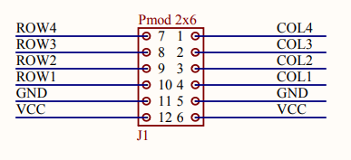
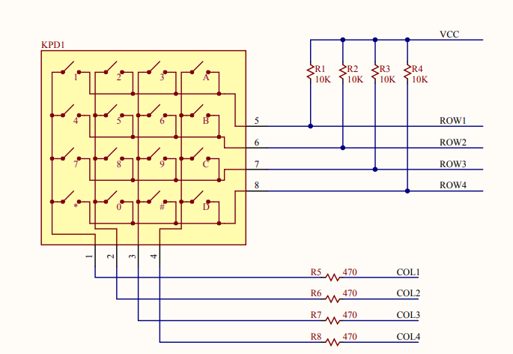
COL4 | COL3 | COL2 | COL1 | GND | VCC
P0_4 | P0_3 | P0_2 | P0_6 | GND | VCC
1 | 3 | 5 | 7 | 9 | 11
2 | 4 | 6 | 8 | 10 | 12
P1_28 | P1_19 | P0_14 | P0_13 | GND | VCC
ROW4 | ROW3 | ROW2 | ROW1 | GND | VCC

